Sheet1
Round | Item | M30 (Realtek 8812AE, 2T2R) | M30 (Realtek WIFI 8812AE, 2T2R, *Workaround) | M20 (MTK, single band, 2T2R) | Z38 (Broadcom, single band, 1T1R)
1st round | Duration (s) | 36 | 6 | 12 | 10
 | Retransmission (packet) | 11,363 | 9,562 | 10,395 | 3,806
2nd round | Duration (s) | 60 | 13 | 11 | 13
 | Retransmission (packet) | 13,063 | 11,400 | 10,741 | 4,102
3rd round | Duration (s) | 42 | 11 | 10 | 13
 | Retransmission (packet) | 11,374 | 11,004 | 8,642 | 4,324
4th round | Duration (s) | 39
 | Retransmission (packet) | 19,264
5th round | Duration (s) | 27
 | Retransmission (packet) | 17,888
6th round | Duration (s) | 28
 | Retransmission (packet) | 17,951

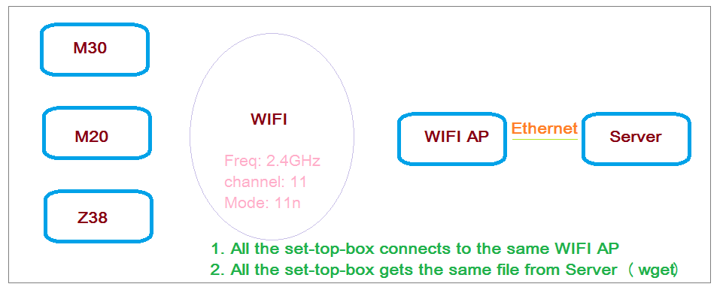
Remark: | 1. Only M30 tested for 6 rounds for double check 2. *Workaround: means -- not drop the packets even its seq_no is out of the sliding window in 802.11 layer 3. Test case

